fan
Chọn loại file muốn tải về là Excel, thời gian muốn xem báo cáo và chọn Post level data
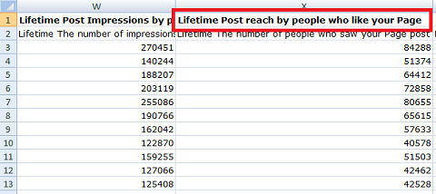

Fan reach chính là cột “Lifetime post reach by people who like your Page”, thuộc sheet “Key Metrics”

Top 5 post
Loại | (All)

Row Labels | Sum of Lifetime Post Total Reach | Sum of Lifetime Post reach by people who like your Page
https://www.facebook.com/saigonnewportcorporation/posts/3084127854975131 | 33,802 | 3240
https://www.facebook.com/saigonnewportcorporation/posts/3112306955490554 | 32530 | 4105
https://www.facebook.com/saigonnewportcorporation/posts/3035522643168986 | 32069 | 3391
https://www.facebook.com/saigonnewportcorporation/posts/3069634039757846 | 28794 | 3168
https://www.facebook.com/saigonnewportcorporation/posts/3274189239302324 | 23144 | 3304
https://www.facebook.com/saigonnewportcorporation/posts/3181419291912653 | 22013 | 3444
https://www.facebook.com/saigonnewportcorporation/posts/3215533821834533 | 20900 | 3684
https://www.facebook.com/saigonnewportcorporation/posts/3080822178639032 | 20263 | 2711
https://www.facebook.com/saigonnewportcorporation/posts/3146176308770285 | 15790 | 3764
https://www.facebook.com/saigonnewportcorporation/posts/3162786597109256 | 14811 | 3006
Grand Total | 244116 | 33817

Top 5 Post

